2019
Classifier evaluation with Expected Value Framework

 | CLASSIFIER 1
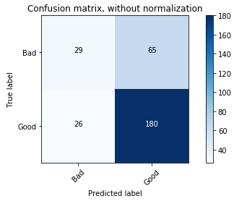

 | PYTHON OUTPUT

 |  |  | Predicted
 |  | Partition = Testing
 | Actual |  | Bad | Good
 |  | Bad | 29 | 65
 |  | Good | 26 | 180

 | Confusion matrix (reformulated)

 |  |  | Actual class |  |  |  | Estimated probabilities
 |  |  | p | n |  |  |  | p | n
 | Predicted class | Bad | 29 | 26 | 55 |  | Bad | 10% | 9%
 |  | Good | 180 | 65 | 245 |  | Good | 60% | 22%
 |  |  | 209 | 91 | 300

 | Cost-benefit information

 |  |  | Actual class |  |  | Test-set priors |  |  | Conditional probabilities
 |  |  | p | n |  | P(p) | 70% |  | P(Y|p) | 14%
 | Predicted class | Good | € 200.00 | -€ 500.00 |  | P(n) | 30% |  | p(N|p) | 86%
 |  | Bad | € - | € - |  |  |  |  | p(Y|n) | 29%
 |  |  |  |  |  |  |  |  | p(N|n) | 71%

 | Expected benefit with test set priors = |  |  |  |  | -€ 24.00 | (per customer)

 | Expected benefit with user defined class priors = |  |  |  |  | -€ 117.27 | (per customer)

 | p(p) | p(Y|p)b(Y,p)+p(N|p)c(N,p) |  |  | = | 4.1626794258
 | 15% | 27.751196172

 | p(n) | p(N|n)b(N,n)+p(Y|n)c(Y,n) |  |  | = | -121.42857143
 | 85% | -142.85714286

